Dashboard
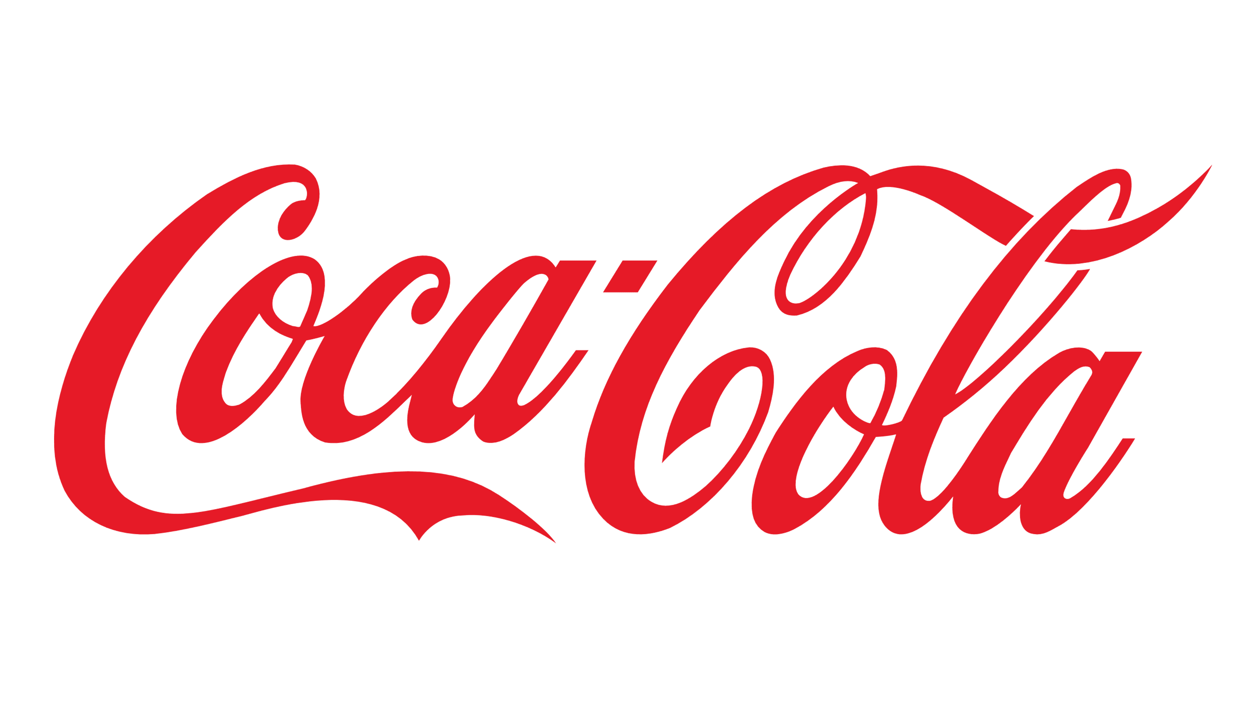
Coco - Cola USA Retailer Dashboard

Total Sales
Units Solds
Average Price
Total Operating Profit
12016665
24788610
$0.45
4722497

Sales by Beverage Brand |  |  |  | Sales by Retailer
Brand | Sales 2022 | Sales 2023 | Variance | Retailer | Sales 2022 | Sales 2023 | Variance
Coca-Cola | 499102 | 2268975 | 1769873 | Amazon | 276210 | 1009699 | 1285909
Dasani Water | 469271 | 1917828 | 1448557 | BevCo | 466788 | 2327607 | 2794395
Diet Coke | 423759 | 1633959 | 1210201 | FizzyCo | 161210 | 2262827 | 2424037
Fanta | 315489 | 1116063 | 800574 | Target | 9250 | 1341995 | 1351245
Powerade | 349534 | 1302529 | 952995 | Walmart | 339913 | 580211 | 920124
Sprite | 366578 | 1353578 | 987000 | West Soda | 1170362 | 2070594 | 3240956
Total | 2423733 | 9592933 | 7169200 | Total | 2423732 | 9592933 | 12016665

Sales and Operating Profit Margin by Quarter

 | Sales | Operating Profit Margin
Qtr1 | 692776.1 | 0.40174683544
Qtr2 | 644203.9 | 0.4
Qtr3 | 719170.4 | 0.41026548673
Qtr4 | 367582.1 | 0.40243816254
Qtr1 | 1877584.3 | 0.4165704501
Qtr2 | 2379424.8 | 0.42755819477
Qtr3 | 2805752.5 | 0.43470170455
Qtr4 | 2530170.9 | 0.42483932854

